Sheet1
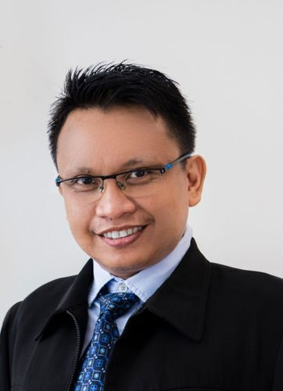
Medicaps University, Indore
Department of Computer Science Engineering, Computer Applications, Information Technology & Computer Science
Academic and Administrative Development Centres (AADcs) FDP
4th to 11th April 2026
Day | Theme | Weekday & Date | Time | Resource Person
Day 1 (4 April 2026) Offline | Transformative Role of AI in Smart Teaching and Learning Ecosystems | Saturday, April 4, 2026- Session-I | 10:30 AM - 12:30 PM | 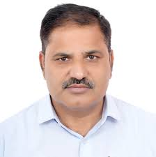 Dr. Ram Bilas Pachori, Professor, IIT, Indore
Day 1 (4 April 2026) Offline | Redesigning Teaching Methodologies Using Intelligent Educational Technologies | Saturday, April 4, 2026, Session-II | 1:30 PM - 3:30 PM |  Dr. Nandan Garg, Technical Project Manager, Accion Labs, Indore
Day 2 (5 April 2026) Online | Generative AI in Higher Education | Sunday, April 5, 2026, Session-I | 9:00 AM - 11:00 AM | 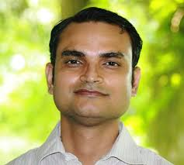 Dr. Prateek Pandey, Associate Dean, Associate Professor, JP University, Guna.
Day 2 (5 April 2026) Online | Personalized and Adaptive Learning with AI | Sunday, April 5, 2026, Session-II | 11:30 AM - 1:30 PM | 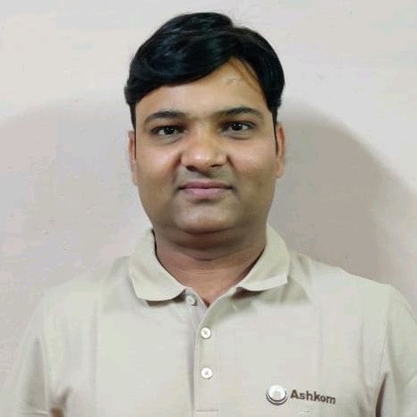 Prof. (Dr.) Neeraj Rathore, Professor, Department of Computer Science & Engineering National Institute of Technical Teachers Training and Research (NITTTR) Bhopal
Day 2 (5 April 2026) Online | AI in Teaching, Learning & Content Development | Sunday, April 5, 2026, Session-III | 3:30 PM - 5:30 PM | Prof. Indra Bayu, Professor and researcher, Hasanuddin University (Unhas), Indonesia.
Day 3 (6 April 2026) Online | AI Tools for Smart Classroom Management | Monday, April 6, 2026 | 7:00 PM - 9:00 PM | 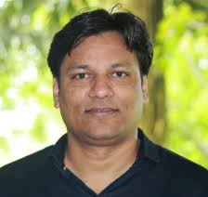 Dr. Nilesh Kumar Patel, Associate Professor, Nirma University, Ahemdabad
Day 4 (7 April 2026) Online | AI in Assessment & Digital Valuation | Tuesday, April 7, 2026 | 7:00 PM - 9:00 PM | Dr. Prashant Panse, Associate Dean, Digitalization, Medicaps University.,Indore
Day 5 (8 April 2026) Online | Using AI to Interpret Student Data for Evidence-Based Teaching | Wednesday, April 8, 2026 | 7:00 PM - 9:00 PM | Dr. Satyendra Singh Chouhan Associate Professor, MNIT Jaipur
Day 6 (9 April 2026) Online | AI for Institutional Governance & Administration | Thursday, April 09, 2026 | 7:00 PM - 9:00 PM | Dr. Ratnesh Litoriya, Professor and Associate Dean CSE & Allied Branch, Medicaps University, Indore
Day 7 (10 April 2026) Online | Ethical, Legal, and Responsible AI in Education | Friday, April 10, 2026 | 7:00 PM - 9:00 PM | Mr. Amit Purohit, Technical Program Management, Minneapolis, Minnesota, United States | COULD NOT GET PIC
Day 8 (11 April 2026) Offline | Roadmap for AI Integration in HEIs | Saturday, April 11, 2026, Session-I | 10:30 AM - 12:30 PM | Dr. Anand Singh Jalal, Professor, SCS, DAVV, Indore
Day 8 (11 April 2026) Offline | The Future of AI-Enabled Universities and PANEL DISCUSSION | Saturday, April 11, 2026, Session-II | 1:30 PM - 3:30 PM | Resource person from TCS moderated by Dr. Kailash Chandra Bandhu, Professor, CSE, MU, Indore

